Cover
| Da nang R&D Department

DESIGN SPECIFICATION | PROJECT: AES-128

 | Revision | : Rev0.1
 | Prj Duration | : 1/2025-5/2025
 | Author | : Hoang Bao Long
 | Approval | : Nguyen Cao Thanh

<IP AES High level block>
<AES Top Module> Design

Function Description
The AES-128 block implements the Advanced Encryption Standard (AES) algorithm with a 128-bit key. It is responsible for securely encrypting or decrypting a 128-bit block of data through multiple rounds of transformation based on the AES standard. Inputs: clk (Clock): A clock signal to synchronize operations within the AES core. rst_n (Reset): An active-low reset signal to initialize the AES core to its default state. data_in (128-bit Plaintext or Ciphertext): The input block of data to be encrypted (plaintext) or decrypted (ciphertext). It is 128 bits wide. key(128-bit Encryption Key): The input encryption key used for performing AES encryption or decryption. It must also be 128 bits wide.

Interface

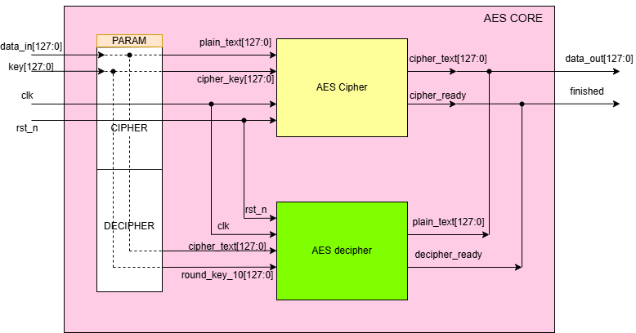

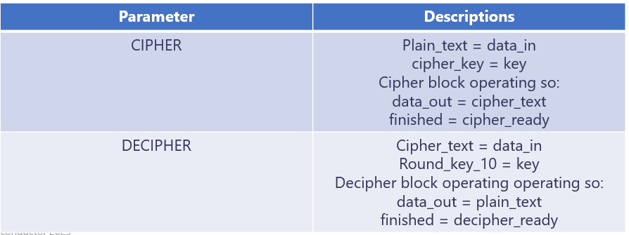

Note: So, we have just one block cipher or decipher is operating in one time

Signal Description

No | Signal Name |  | Width | Direction | Function Description
1 | data_input |  | 128 | Input | Input data needs to be processed (encryption or decryption)
2 | key |  | 128 | Input | Input key for encryption or decryption
3 | clk |  | 1 | Input | Clock
4 | rst_n |  | 1 | Input | Asynchronous reset, active low​
5 | data_output |  | 128 | Output | Data output after encryption or decryption
6 | finished |  | 1 | Output | The finished signal of encryption or decryption

Operations: Initialization: On receiving the reset signal (rst_n), the AES core initializes all internal registers and prepares for a new operation. Key Expansion: The 128-bit key_in is expanded into multiple round keys using the AES key schedule algorithm. For AES-128, the algorithm generates 11 round keys (1 initial key + 10 for rounds). Encryption Process: Data Transformation: The core processes the input data block (data_in) through 10 rounds of the AES algorithm, which includes the following steps: AddRoundKey: XOR the data with the current round key. SubBytes: Substitute each byte using the AES S-box. ShiftRows: Shift rows of the state matrix. MixColumns (for all but the last round): Mix the columns of the state matrix. The final output after 10 rounds is the 128-bit ciphertext. Decryption Process: Inverse Transformation: The AES core applies the inverse operations (InvSubBytes, InvShiftRows, InvMixColumns) to decrypt the ciphertext back into plaintext. The key schedule is reversed for decryption to ensure proper decryption. Completion: Once the process is complete, the core asserts the ready signal, and the encrypted or decrypted block is available on the output.

Waveform: Cipher

clk |  | 1 |  | 2 | 3 | 4 | 5 | 6 | 7 | 8 | 9 | 10 | 11 | 12 |  | 1 | 2 | 3 | 4 | 5 | 6 | 7 | 8 | 9 | 10 | 11 | 12

rst

data_in | 128'h3243f6a8885a308d313198a2e0370734 |  |  |  |  |  |  |  |  |  |  |  |  |  | 128'h00112233445566778899aabbccddeeff

key | 128'h2b7e151628aed2a6abf7158809cf4f3c |  |  |  |  |  |  |  |  |  |  |  |  |  | 128'h000102030405060708090a0b0c0d0e0f

data_out | 128'h0 |  |  |  |  |  |  |  |  |  |  |  | 128'h3925841d02dc09fbdc118597196a0b32 | 128'h0 |  |  |  |  |  |  |  |  |  |  |  | 128'h69c4e0d86a7b0430d8cdb78070b4c55a 25 dc 11 6a 84 09 85 0b 1d fb 97 32 | 128'h0

finished

Waveform: Decipher

clk |  | 1 |  | 2 | 3 | 4 | 5 | 6 | 7 | 8 | 9 | 10 | 11 | 12 |  | 1 | 2 | 3 | 4 | 5 | 6 | 7 | 8 | 9 | 10 | 11 | 12

rst

data_in | 128'h3925841d02dc09fbdc118597196a0b32 |  |  |  |  |  |  |  |  |  |  |  |  |  | 128'h69c4e0d86a7b0430d8cdb78070b4c55a

key | 128'hd014_f9a8_c9ee_2589_e13f_0cc8_b663_0ca6 |  |  |  |  |  |  |  |  |  |  |  |  |  | 128'h1311_1d7f_e394_4a17_f307_a78b_4d2b_30c5

data_out | 128'h0 |  |  |  |  |  |  |  |  |  |  |  | 128'h3243f6a8885a308d313198a2e0370734 | 128'h0 |  |  |  |  |  |  |  |  |  |  |  | 128'h00112233445566778899aabbccddeeff | 128'h0

finished

<AES Cipher High Level Block>
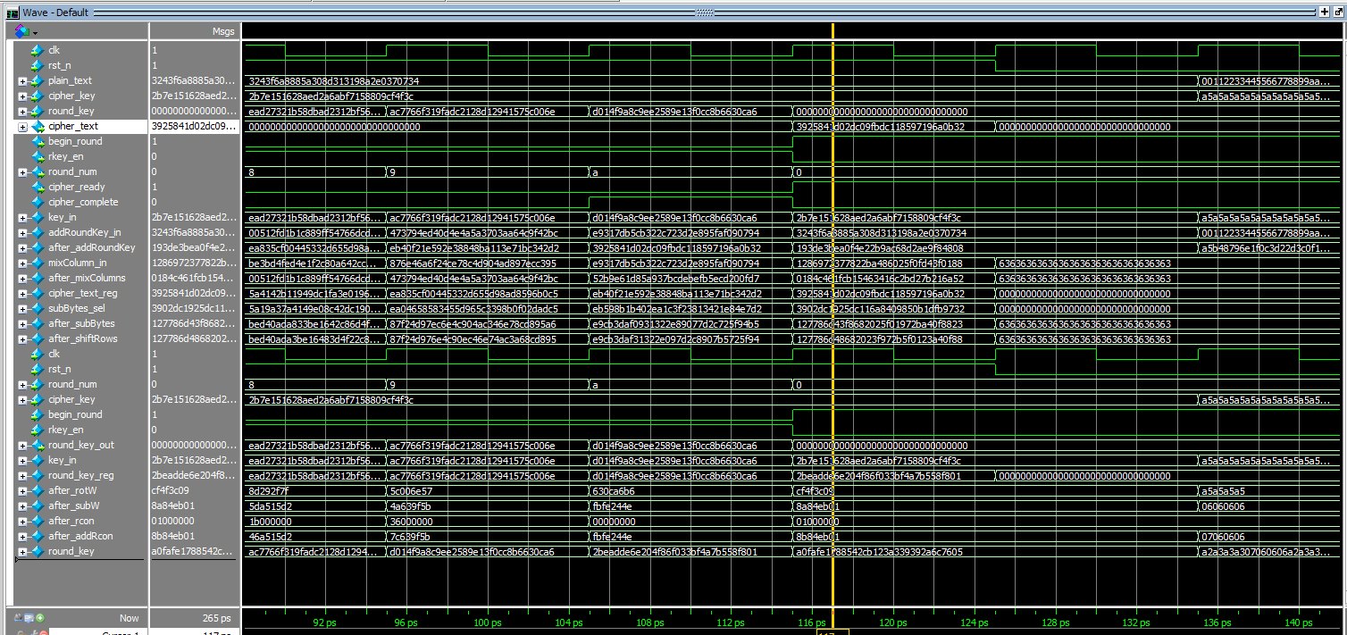
<AES Cipher Block> Design

Task Case 3
The Cipher block in AES-128 is responsible for encrypting data (plaintext) into encrypted data (ciphertext) using a 128-bit key, based on the Advanced Encryption Standard (AES) algorithm. The Cipher block in AES-128 performs 10 rounds of processing to transform a 128-bit data block (16 bytes) into ciphertext. The process involves the following steps: Add round Key, SubBytes, ShiftRows, MixColumns. The output of this block is: The resulting 128-bit encrypted data block (ciphertext).

Signal Description
No | Signal Name |  | Width | Direction | Function Description
1 | plain_text |  | 128 | Input | Data needs encryption, plaintext​
2 | cipher_key |  | 128 | Input | Cipher key​
3 | clk |  | 1 | Input | Clock​
4 | rst_n |  | 1 | Input | Asynchronous reset, active low​
5 | cipher_text |  | 128 | Output | Data after being encrypted, ciphertext.​
6 | cipher_ready |  | 1 | Output | Indicates that the encoder is ready to operate. This signal is only 0 when the encoder is in the process of encoding data.​

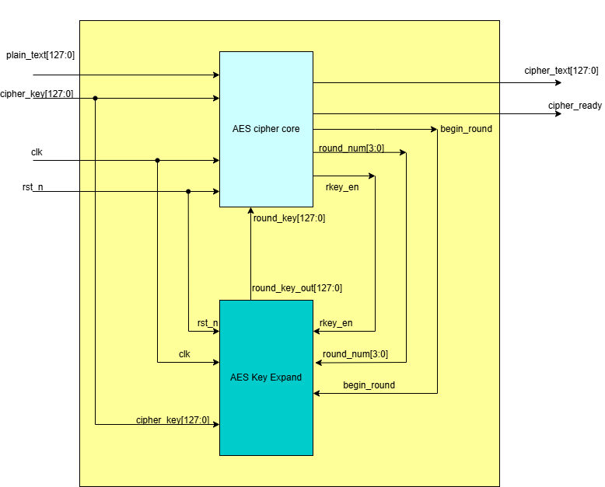

Waveform: Cipher

clk |  | 1 |  | 2 | 3 | 4 | 5 | 6 | 7 | 8 | 9 | 10 | 11 | 12 |  | 1 | 2 | 3 | 4 | 5 | 6 | 7 | 8 | 9 | 10 | 11 | 12

rst

plain_text | 128'h3243f6a8885a308d313198a2e0370734 |  |  |  |  |  |  |  |  |  |  |  |  |  | 128'h00112233445566778899aabbccddeeff

cipher_key | 128'h2b7e151628aed2a6abf7158809cf4f3c |  |  |  |  |  |  |  |  |  |  |  |  |  | 128'h000102030405060708090a0b0c0d0e0f

cipher_text | 128'h0 |  |  |  |  |  |  |  |  |  |  |  | 128'h3925841d02dc09fbdc118597196a0b32 | 128'h0 |  |  |  |  |  |  |  |  |  |  |  | 128'h69c4e0d86a7b0430d8cdb78070b4c55a 25 dc 11 6a 84 09 85 0b 1d fb 97 32 | 128'h0

cipher_ready

Result
Please show the result to prove the correct result
Can be waveform, text or anything else

<AES Cipher Core>
<AES Cipher core> Design

Task Case 2
The Cipher block in AES-128 is responsible for encrypting data (plaintext) into encrypted data (ciphertext) using a 128-bit key, based on the Advanced Encryption Standard (AES) algorithm. The Cipher block in AES-128 performs 10 rounds of processing to transform a 128-bit data block (16 bytes) into ciphertext. The process involves the following steps: Add round Key, SubBytes, ShiftRows, MixColumns. The output of this block is: The resulting 128-bit encrypted data block (ciphertext).

Design Specification

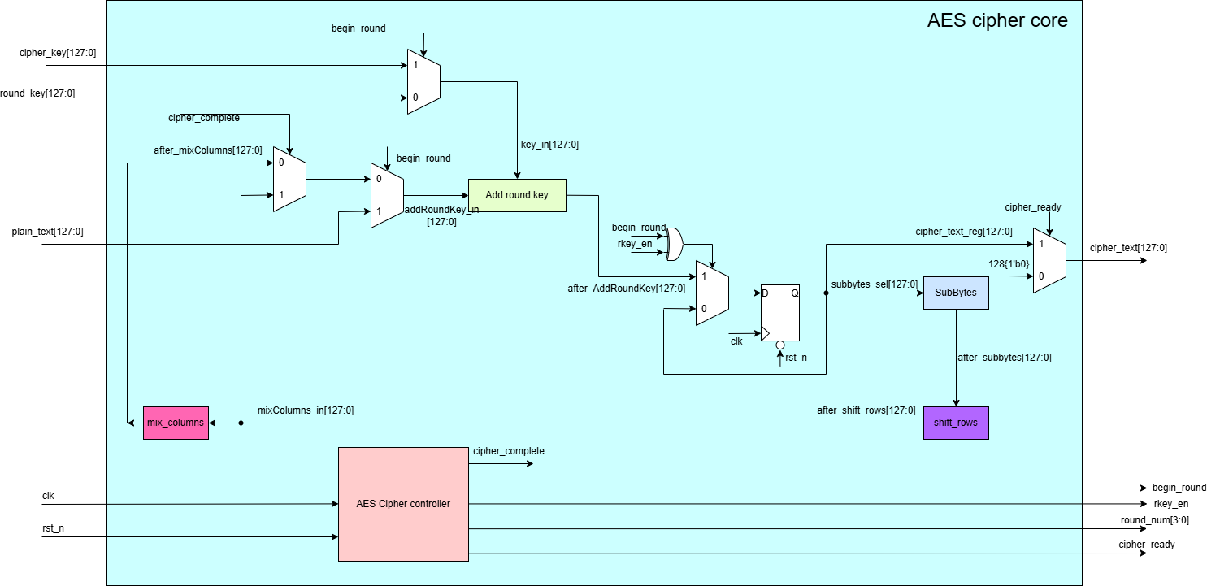

Signal Description
No | Signal Name |  | Width | Direction | Function Description
1 | plain_text |  | 128 | Input | Data needs encryption, plaintext​
2 | round_key |  | 128 | Input | A round key value which is from a key expansion
3 | cipher_key |  | 128 | Input | Cipher key​
4 | clk |  | 1 | Input | Clock​
5 | rst_n |  | 1 | Input | Asynchronous reset, active low​
6 | cipher_text |  | 128 | Output | Data after being encrypted, ciphertext.​
7 | cipher_ready |  | 1 | Output | Indicates that the encoder is ready to operate. This signal is only 0 when the encoder is in the process of encoding data.​

8 | rkey_en |  | 1 | Output | Signal that enables the AES_Key_Expand block operate
9 | round_num |  | 4 | Output | Signals the current encryption loop, round_num[3:0]=0 is the first initialization step and round_num[3:0]=10 is the last step

10 | begin_round |  | 1 | Output | The signal begin encryption, begin_round=1 when round_num=0

Waveform

clk |  | 1 |  | 2 | 3 | 4 | 5 | 6 | 7 | 8 | 9 | 10 | 11 | 12 |  | 1 | 2 | 3 | 4 | 5 | 6 | 7 | 8 | 9 | 10 | 11 | 12

rst

plain_text | 128'h3243f6a8885a308d313198a2e0370734 |  |  |  |  |  |  |  |  |  |  |  |  |  | 128'h00112233445566778899aabbccddeeff

cipher_key | 128'h2b7e151628aed2a6abf7158809cf4f3c |  |  |  |  |  |  |  |  |  |  |  |  |  | 128'h000102030405060708090a0b0c0d0e0f

round_key | 128'h0 | 128'ha0fa_fe17_8854_2cb1_23a3_3939_2a6c_7605 |  | 128'hf2c2_95f2_7a96_b943_5935_807a_7359_f67f | 128'h3d80_477d_4716_fe3e_1e23_7e44_6d7a_883b | 128'hef44_a541_a852_5b7f_b671_253b_db0b_ad00 | 128'hd4d1_c6f8_7c83_9d87_caf2_b8bc_11f9_15bc | 128'h6d88_a37a_110b_3efd_dbf9_8641_ca00_93fd | 128'h4e54_f70e_5f5f_c9f3_84a6_4fb2_4ea6_dc4f | 128'head2_7321_b58d_bad2_312b_f560_7f8d_292f | 128'hac77_66f3_19fa_dc21_28d1_2941_575c_006e | 128'hd014_f9a8_c9ee_2589_e13f_0cc8_b663_0ca6 | 128'h0 |  |  | 128'hd6aa_74fd_d2af_72fa_daa6_78f1_d6ab_76fe | 128'hb692_cf0b_643d_bdf1_be9b_c500_6830_b3fe | 128'hb6ff_744e_d2c2_c9bf_6c59_0cbf_0469_bf41 | 128'h47f7_f7bc_9535_3e03_f96c_32bc_fd05_8dfd | 128'h3caa_a3e8_a99f_9deb_50f3_af57_adf6_22aa | 128'h5e39_0f7d_f7a6_9296_a755_3dc1_0aa3_1f6b | 128'h14f9_701a_e35f_e28c_440a_df4d_4ea9_c026 | 128'h4743_8735_a41c_65b9_e016_baf4_aebf_7ad2 | 128'h5499_32d1_f085_5768_1093_ed9c_be2c_974e | 128'h1311_1d7f_e394_4a17_f307_a78b_4d2b_30c5 | 128'h0

round_num | 4'd0 | 4'd1 |  | 4'd2 | 4'd3 | 4'd4 | 4'd5 | 4'd6 | 4'd7 | 4'd8 | 4'd9 | 4'd10 | 4'd0 |  |  | 4'd1 | 4'd2 | 4'd3 | 4'd4 | 4'd5 | 4'd6 | 4'd7 | 4'd8 | 4'd9 | 4'd10 | 4'd0

begin_round

cipher_text | 128'h0 |  |  |  |  |  |  |  |  |  |  |  | 128'h3925841d02dc09fbdc118597196a0b32 | 128'h0 |  |  |  |  |  |  |  |  |  |  |  | 128'h69c4e0d86a7b0430d8cdb78070b4c55a 25 dc 11 6a 84 09 85 0b 1d fb 97 32

cipher_ready

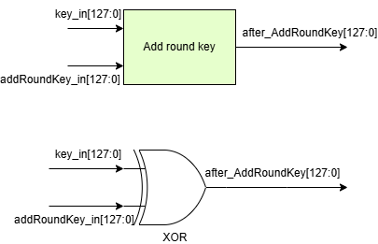

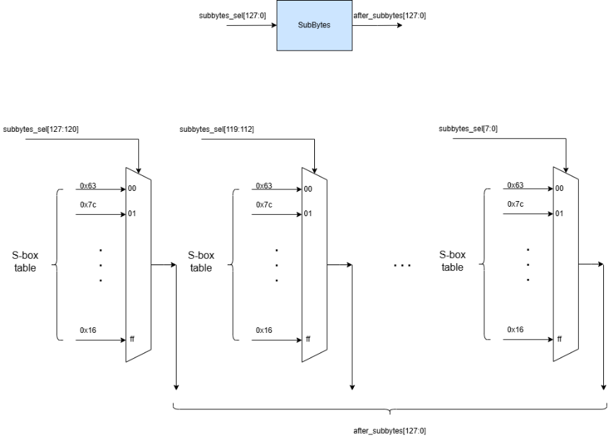

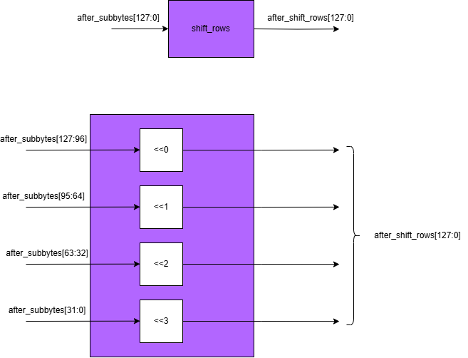

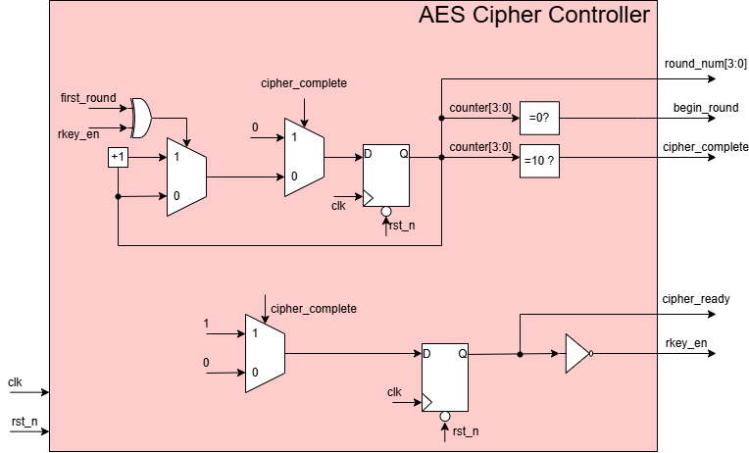

Result
Please show the result to prove the correct result
Can be waveform, text or anything else

<AES Key Expand>
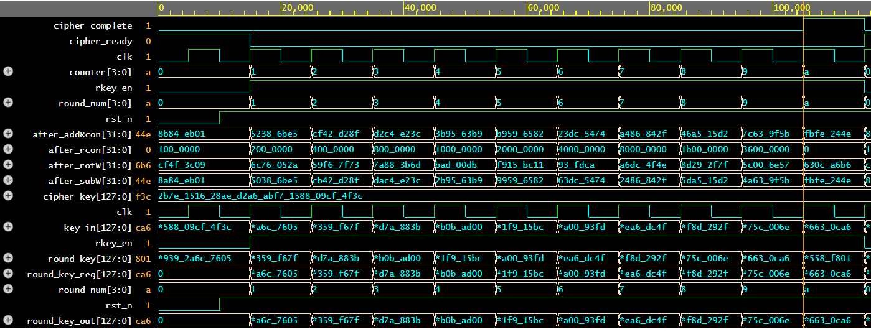
<AES Key Expand> Design

Task Case 3
The Key Expansion block in AES-128 is responsible for generating a series of round keys from the provided 128-bit cipher key. These round keys are used during the encryption or decryption process in the Cipher block. Key Features of Key Expansion Input: Cipher Key: A single 128-bit encryption key provided by the user. Output: Round Keys: A total of 11 round keys (1 initial key + 10 for rounds) are generated for AES-128. Operation: The block applies a key schedule algorithm to generate these round keys in a deterministic way, ensuring that each round key is unique.

Signal Description
No | Signal Name |  | Width | Direction | Function Description
1 | round_num |  | 4 | Input | Signals the current encryption loop, round_num[3:0]=0 is the first initialization step and round_num[3:0]=10 is the last step​

2 | cipher_key |  | 128 | Input | Cipher key​
3 | clk |  | 1 | Input | Clock​
4 | rst_n |  | 1 | Input | Asynchronous reset, active low​
5 | rkey_en |  | 1 | Input | Signal that enables the AES_Key_Expand block operate​
6 | begin_round |  | 1 | Input | The signal begin encryption, begin_round=1 when round_num=0

7 | round_key_out |  | 128 | Output | A round key value which is from a key expansion​

Waveform

clk |  | 1 |  | 2 | 3 | 4 | 5 | 6 | 7 | 8 | 9 | 10 | 11 | 12

rst

cipher_key | 128'h2b7e151628aed2a6abf7158809cf4f3c

round_num | 4'd0 | 4'd1 |  | 4'd2 | 4'd3 | 4'd4 | 4'd5 | 4'd6 | 4'd7 | 4'd8 | 4'd9 | 4'd10 | 4'd0 | 4'd0

begin_round

rkey_en

round_key_out | 128'h0 | 128'ha0fa_fe17_8854_2cb1_23a3_3939_2a6c_7605 |  | 128'hf2c2_95f2_7a96_b943_5935_807a_7359_f67f | 128'h3d80_477d_4716_fe3e_1e23_7e44_6d7a_883b | 128'hef44_a541_a852_5b7f_b671_253b_db0b_ad00 | 128'hd4d1_c6f8_7c83_9d87_caf2_b8bc_11f9_15bc | 128'h6d88_a37a_110b_3efd_dbf9_8641_ca00_93fd | 128'h4e54_f70e_5f5f_c9f3_84a6_4fb2_4ea6_dc4f | 128'head2_7321_b58d_bad2_312b_f560_7f8d_292f | 128'hac77_66f3_19fa_dc21_28d1_2941_575c_006e | 128'hd014_f9a8_c9ee_2589_e13f_0cc8_b663_0ca6 | 128'h0

RotWord

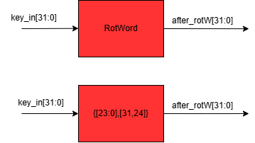

SubWord
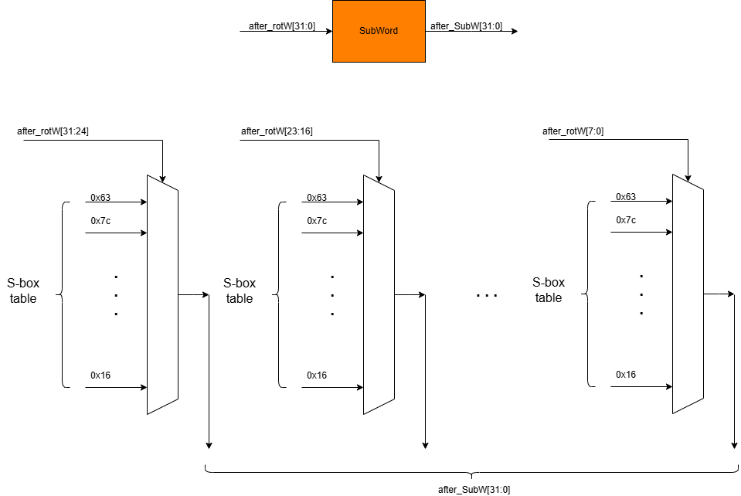

AddWord

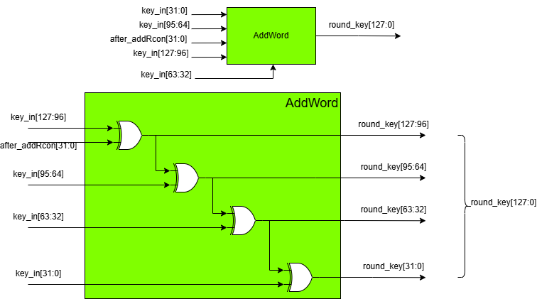

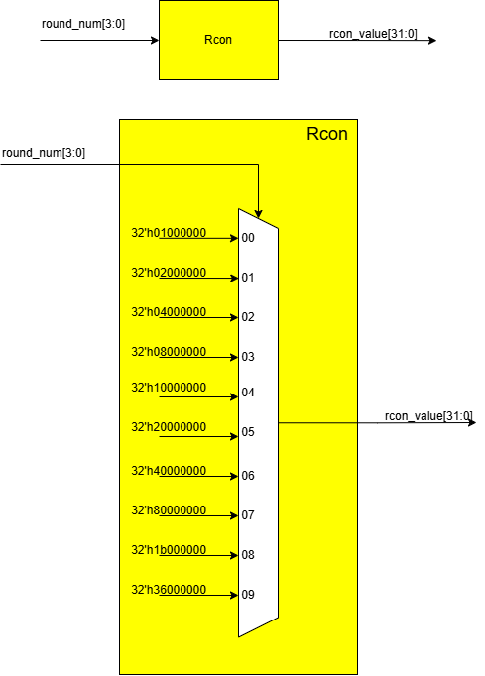

Rcon

Result
Please show the result to prove the correct result
Can be waveform, text or anything else

<AES Decipher High level block>
<AES Decipher Block> Design
 |  |  |  |  |  |  |  |  |  |  |  |  |  | Result
Task Case 3 |  |  |  |  |  |  |  |  |  |  |  |  |  | Please show the result to prove the correct result
The Decipher block in AES-128 is responsible for decrypting data (cipher_text) into decrypted data (plain_text) using a 128-bit key, based on the Advanced Encryption Standard (AES) algorithm. The decipher block in AES-128 performs 10 rounds of processing to transform a 128-bit data block (16 bytes) into plaintext. The process involves the following steps: Add round Key, Inverse SubBytes, Inverse ShiftRows, Inverse MixColumns. The output of this block is: The resulting 128-bit decrypted data block (plaintext). |  |  |  |  |  |  |  |  |  |  |  |  |  | Can be waveform, text or anything else

Signal Description
No | Signal Name |  | Width | Direction | Function Description
1 | cipher_text |  | 128 | Input | Data needs decryption, plaintext​
2 | round_key_10 |  | 128 | Input
3 | clk |  | 1 | Input | Clock​
4 | rst_n |  | 1 | Input | Asynchronous reset, active low​
5 | plain_text |  | 128 | Output | Data after being decrypted, plaintext.​
6 | decipher_ready |  | 1 | Output | Indicates that the decoder is ready to operate. This signal is only 0 when the decoder is in the process of decoding data.​
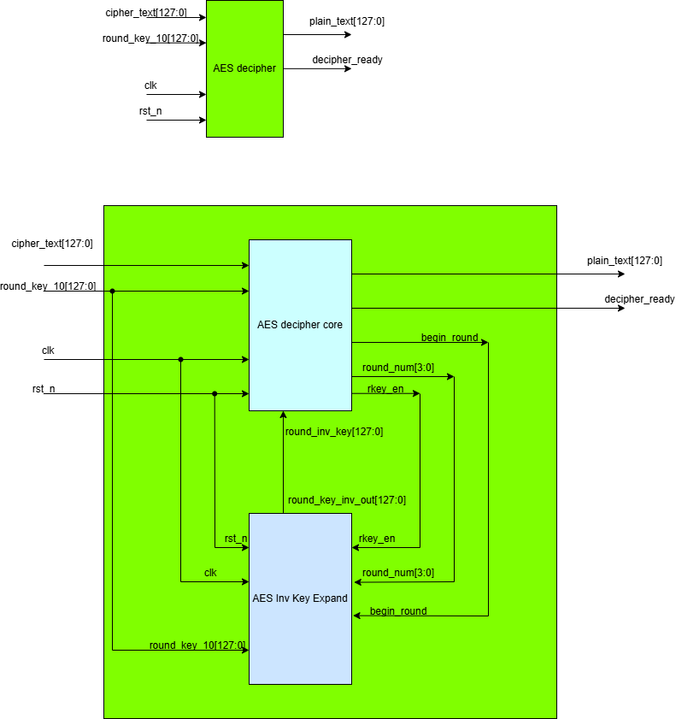

Waveform: Decipher

clk |  | 1 |  | 2 | 3 | 4 | 5 | 6 | 7 | 8 | 9 | 10 | 11 | 12

rst

data_input | 128'h3925841d02dc09fbdc118597196a0b32

round_key_10

plain_text | 128'h0 |  |  |  |  |  |  |  |  |  |  |  | 128'h3243f6a8885a308d313198a2e0370734 | 128'h0

decipher_ready

<AES Decipher Core>
<AES Decipher Block> Design

Task Case 3
The Decipher block in AES-128 is responsible for decrypting data (cipher_text) into decrypted data (plain_text) using a 128-bit key, based on the Advanced Encryption Standard (AES) algorithm. The decipher block in AES-128 performs 10 rounds of processing to transform a 128-bit data block (16 bytes) into plaintext. The process involves the following steps: Add round Key, Inverse SubBytes, Inverse ShiftRows, Inverse MixColumns. The output of this block is: The resulting 128-bit decrypted data block (plaintext).

Design Specification

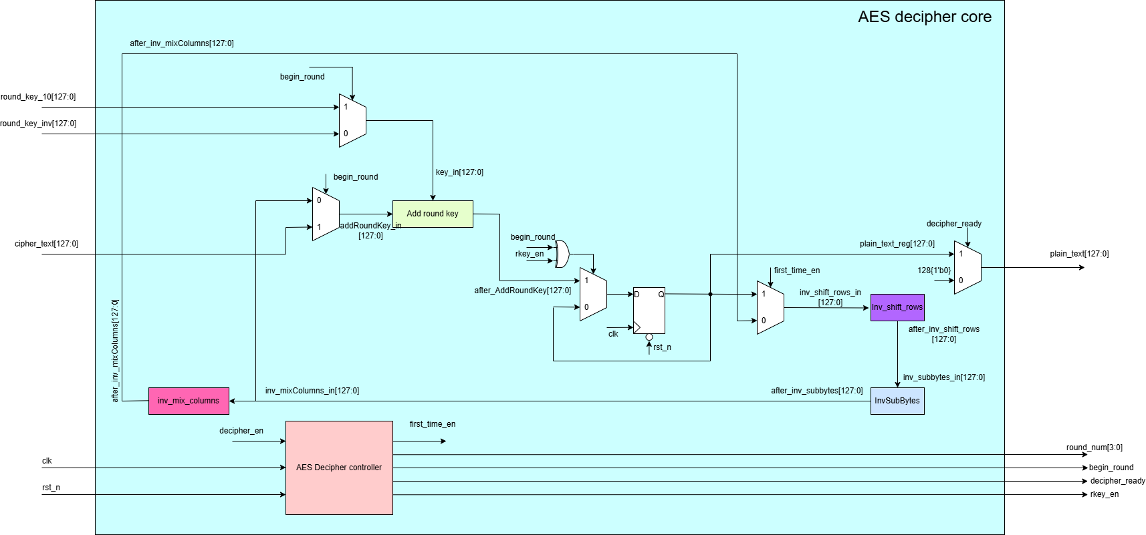

Signal Description

No | Signal Name |  | Width | Direction | Function Description
1 | cipher_text |  | 128 | Input | Data needs decryption, ciphertext​
2 | round_key_10 |  | 128 | Input | Round key 10th​
3 | round_key_inv |  | 128 | Input | A round key value which is from a inverse key expansion
4 | clk |  | 1 | Input | Clock​
5 | rst_n |  | 1 | Input | Asynchronous reset, active low​
6 | plain_text |  | 128 | Output | Data after being decrypted, plain_text.​
7 | decipher_ready |  | 1 | Output | Indicates that the decoder is ready to operate. This signal is only 0 when the decoder is in the process of decoding data.​

8 | rkey_en |  | 1 | Output | Signal that enables the AES_Inv_Key_Expand block operate
9 | round_num |  | 4 | Output | Signals the current decryption loop, round_num[3:0]=0 is the first initialization step and round_num[3:0]=10 is the last step
10 | begin_round |  | 1 | Output | The signal begin encryption/ decryption, begin_round=1 when round_num=0

Waveform

clk |  | 1 |  | 2 | 3 | 4 | 5 | 6 | 7 | 8 | 9 | 10 | 11 | 12

rst

cipher_text | 128'h3925841d02dc09fbdc118597196a0b32

round_key_10 | 128'hd014_f9a8_c9ee_2589_e13f_0cc8_b663_0ca6

round_key | 128'h0 | 128'hac7766f319fadc2128d12941575c006e |  | 128'h2bea_dde6_e204_f86f_033b_f4a7_b558_f801 | 128'h4e54f70e5f5fc9f384a64fb24ea6dc4f | 128'h6d88a37a110b3efddbf98641ca0093fd | 128'h d4d1c6f87c839d87caf2b8bc11f915bc | 128'hef44a541a8525b7fb671253bdb0bad00 | 128'h3d80477d4716fe3e1e237e446d7a883b | 128'hf2c295f27a96b9435935807a7359f67f | 128'ha0fafe1788542cb123a339392a6c7605 | 128'h2b7e151628aed2a6abf7158809cf4f3c | 128'h0

round_num | 4'd0 | 4'd1 |  | 4'd2 | 4'd3 | 4'd4 | 4'd5 | 4'd6 | 4'd7 | 4'd8 | 4'd9 | 4'd10 | 4'd0 | 4'd0

begin_round

plain_text | 128'h0 |  |  |  |  |  |  |  |  |  |  |  | 128'h3243f6a8885a308d313198a2e0370734 | 128'h0

decipher_ready

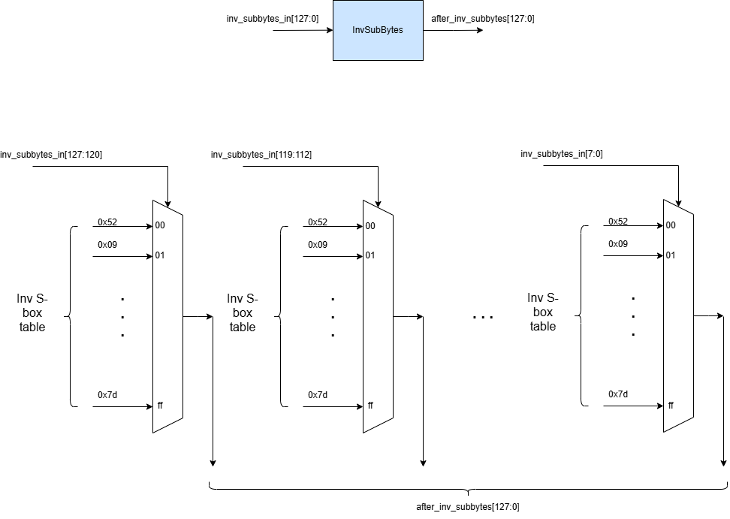

Inv SubBytes |  |  |  |  |  |  |  |  |  |  |  |  |  | Inv ShiftRows

AES Decipher Controller
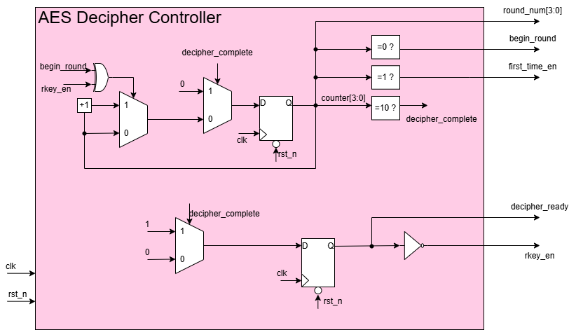

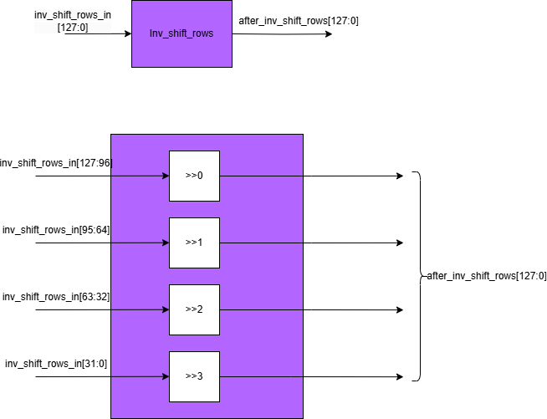

Result
Please show the result to prove the correct result
Can be waveform, text or anything else

<AES Inv Key Expand>
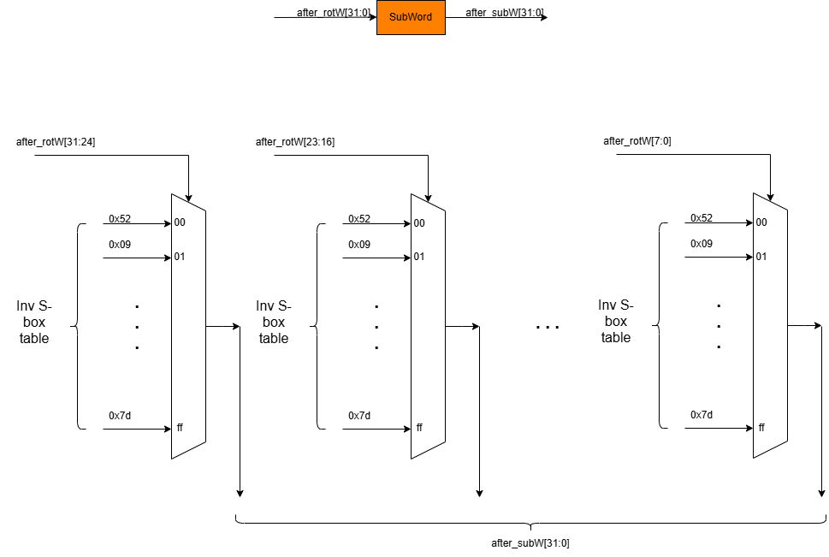
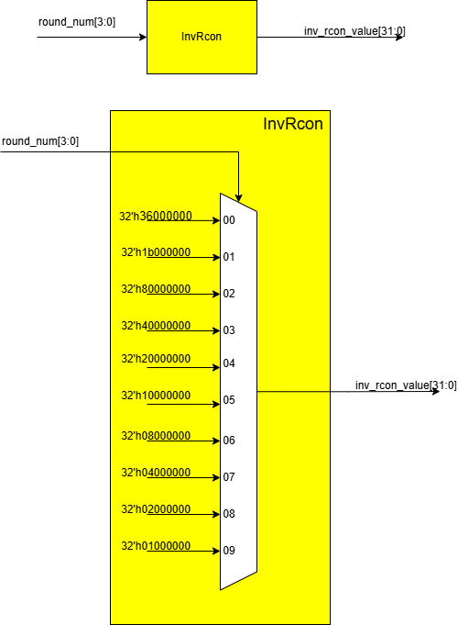
<AES Inv Key Expand> Design |  |  |  |  |  |  |  |  |  |  |  |  |  | Result
 |  |  |  |  |  |  |  |  |  |  |  |  |  | Please show the result to prove the correct result
Task Case 3 |  |  |  |  |  |  |  |  |  |  |  |  |  | Can be waveform, text or anything else
The Key Expansion block in AES-128 is responsible for generating a series of round keys from the provided 128-bit cipher key. These round keys are used during the encryption or decryption process in the Cipher block. Key Features of Key Expansion Input: Cipher Key: A single 128-bit encryption key provided by the user. Output: Round Keys: A total of 11 round keys (1 initial key + 10 for rounds) are generated for AES-128. Operation: The block applies a key schedule algorithm to generate these round keys in a deterministic way, ensuring that each round key is unique.

Signal Description
No | Signal Name |  | Width | Direction | Function Description
1 | round_num |  | 4 | Input | Signals the current encryption loop, round_num[3:0]=0 is the first initialization step and round_num[3:0]=10 is the last step​

2 | round_key_10 |  | 128 | Input | Round key 10th​
3 | clk |  | 1 | Input | Clock​
4 | rst_n |  | 1 | Input | Asynchronous reset, active low​
5 | rkey_en |  | 1 | Input | Signal that enables the AES_Inv_Key_Expand block operate​
6 | begin_round |  | 1 | Input | The signal begin decryption, begin_round=1 when round_num=0

7 | round_key_out |  | 128 | Output | A round key value which is from a inverse key expansion​

Waveform

clk |  | 1 |  | 2 | 3 | 4 | 5 | 6 | 7 | 8 | 9 | 10 | 11 | 12

rst

round_key_10 | 128'hd014_f9a8_c9ee_2589_e13f_0cc8_b663_0ca6

round_num | 4'd0 | 4'd1 |  | 4'd2 | 4'd3 | 4'd4 | 4'd5 | 4'd6 | 4'd7 | 4'd8 | 4'd9 | 4'd10 | 4'd0 | 4'd0

begin_round

rkey_en

round_key_out | 128'h0 | 128'hac7766f319fadc2128d12941575c006e |  | 128'h2bea_dde6_e204_f86f_033b_f4a7_b558_f801 | 128'h4e54f70e5f5fc9f384a64fb24ea6dc4f | 128'h6d88a37a110b3efddbf98641ca0093fd | 128'h d4d1c6f87c839d87caf2b8bc11f915bc | 128'hef44a541a8525b7fb671253bdb0bad00 | 128'h3d80477d4716fe3e1e237e446d7a883b | 128'hf2c295f27a96b9435935807a7359f67f | 128'ha0fafe1788542cb123a339392a6c7605 | 128'h2b7e151628aed2a6abf7158809cf4f3c | 128'h0

 |  |  |  |  |  |  |  |  |  |  |  |  |  | SubWord
RotWord

